Sheet1
Title | Next-Generation Glycan Microarray Enabled by DNA-Coded Glycan Library and Next-Generation Sequencing Technology
DOI | https://doi.org/10.1021/acs.analchem.9b01988
Group | Xuezheng Song
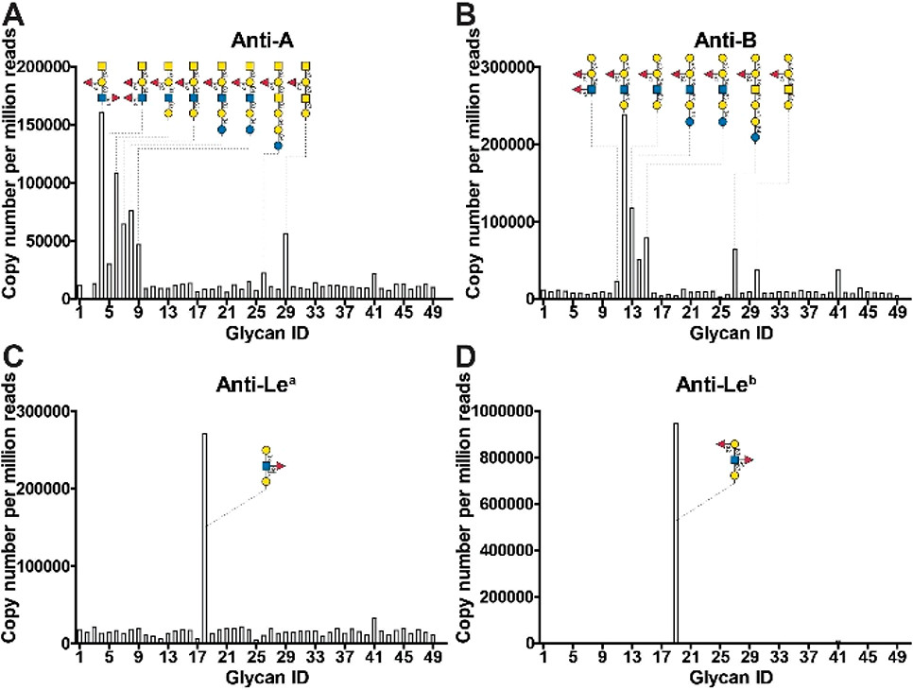

Specificity validation of four blood group antibodies (anti-A, anti-B, anti-Lea, and anti-Leb) by NGGM with the defined glycan library. The structures of positive glycans are presented on the tops of the graphs.

Sheet2
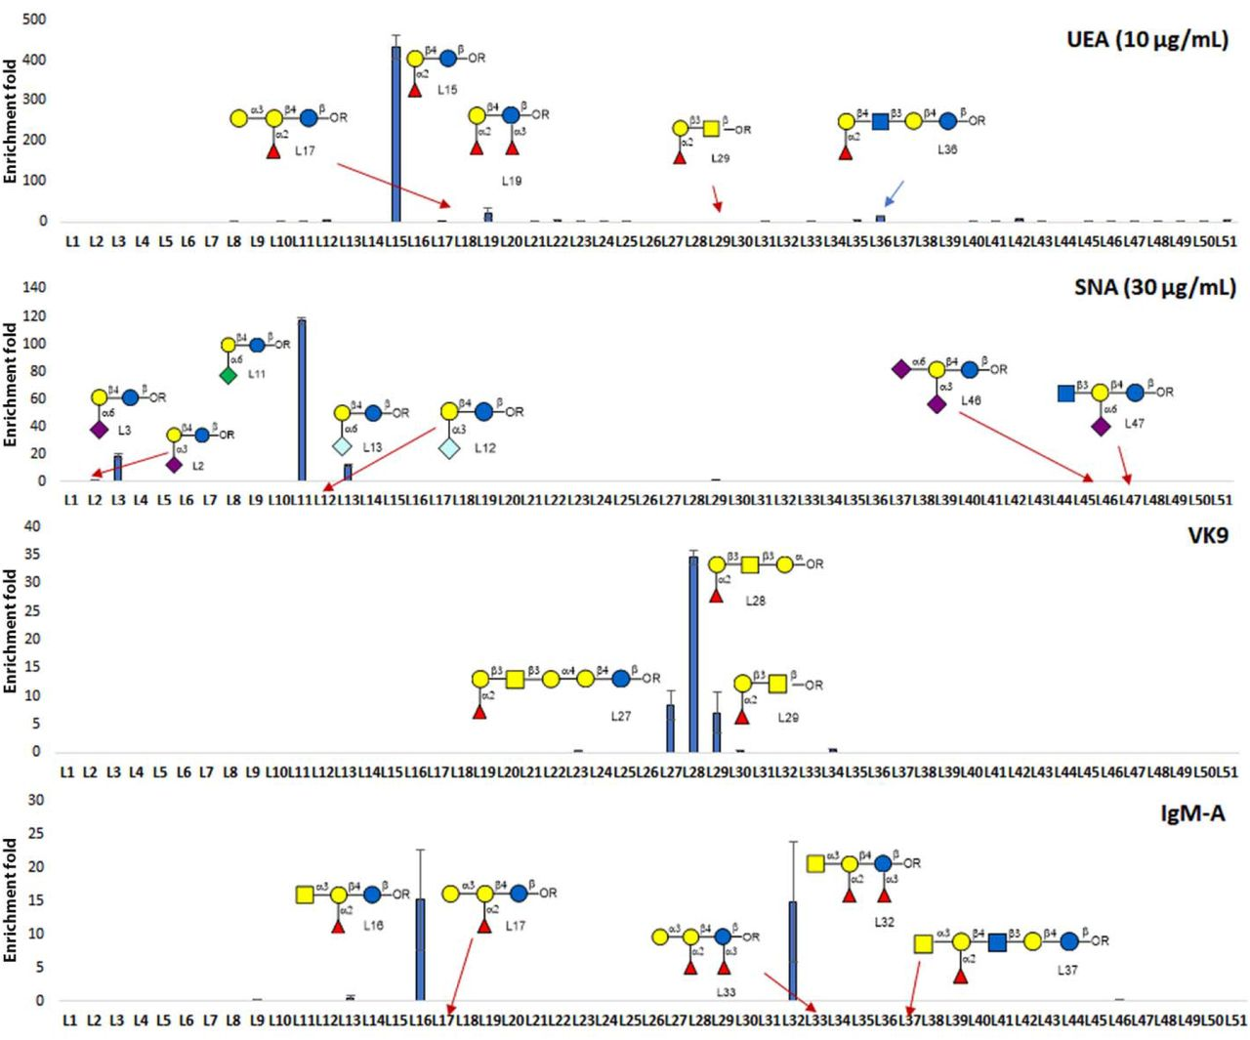
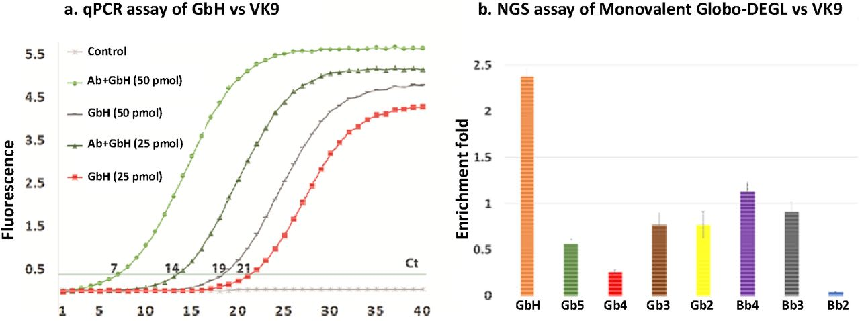
Title | DNA Encoded Glycan Libraries as a next-generation tool for the study of glycan-protein interactions
DOI | https://doi.org/10.1101/2020.03.30.017012
Group | George Peng Wang

